INSTRUCTIONS
The Stepwise Approach towards Rabies Elimination:
A planning and evaluation tool

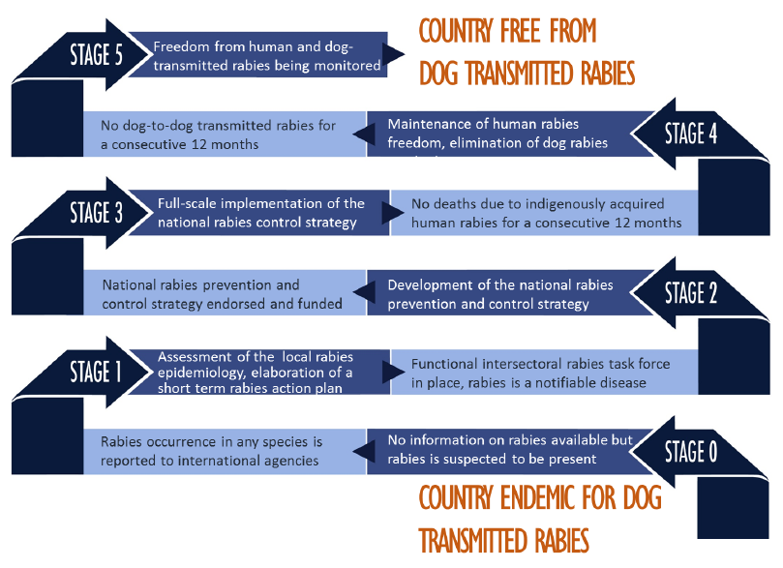

The Stepwise Approach towards Rabies Elimination (SARE) has been developed as a template that countries may use to develop activities and measure progress towards a national programme and strategy for sustainable rabies prevention, control and eventually elimination.
This tool focuses on the prevention of dog-transmitted human rabies.
SARE is not prescriptive nor is it intended to replace existing regional or national rabies control strategies. This tool may serve as a self-assessment and a practical guide in developing a national rabies program and to successfully implement the different described stages.

Please fill out worksheets Country profile to Cross-cutting issues.
A summary of your country's accomplished and pending rabies program activities will be listed in the SUMMARY worksheets.

