INSTRUCTIONS
The Stepwise Approach towards Rabies Elimination:
A planning and evaluation tool

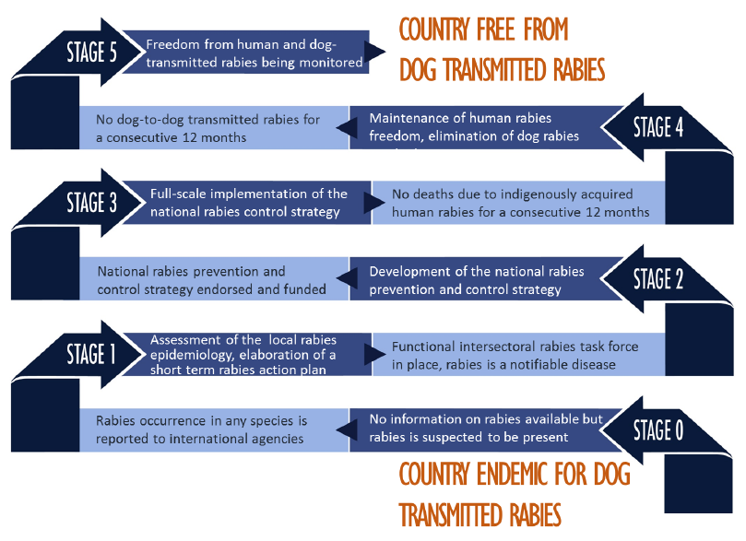

The Stepwise Approach towards Rabies Elimination (SARE) has been developed as a template that countries may use to develop activities and measure progress towards a national programme and strategy for sustainable rabies prevention, control and eventually elimination.
This tool focuses on the prevention of dog-transmitted human rabies.
SARE is not prescriptive nor is it intended to replace existing regional or national rabies control strategies. This tool may serve as a self-assessment and a practical guide in developing a national rabies program and to successfully implement the different described stages.

Please fill out worksheets Country profile to Cross-cutting issues.
A summary of your country's accomplished and pending rabies program activities will be listed in the SUMMARY worksheets.

SUMMARY (Score)
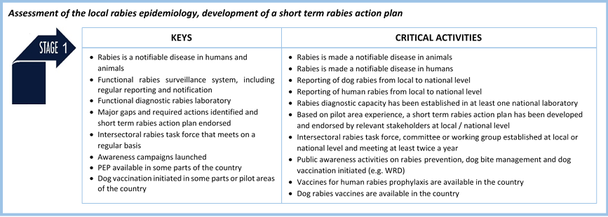
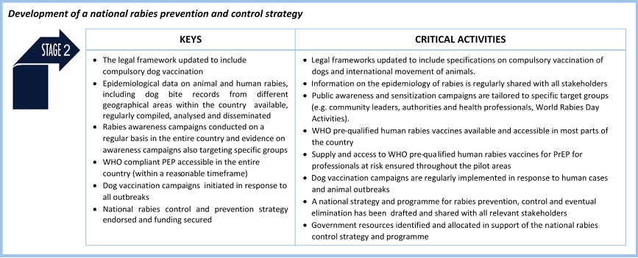
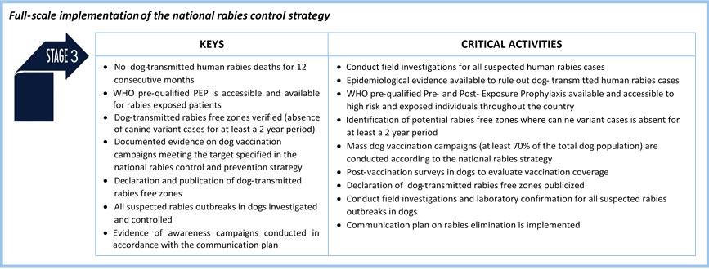
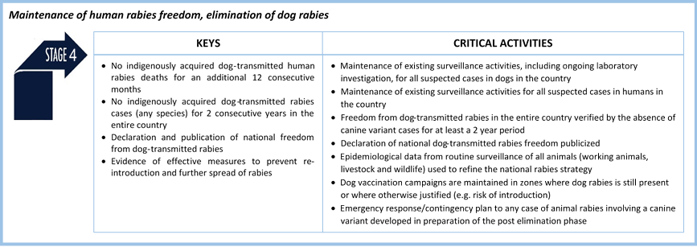
Stepwise Approach towards Rabies Elimination - Liberia 2016

STAGE 0

ACTIVITY SUMMARY |  |  | STAGE SUMMARY
COMPONENTS | PENDING ACTIVITIES | ACCOMPLISHED ACTIVITIES | STAGE |  | PENDING ACTIVITIES | ACCOMPLISHED ACTIVITIES | CRITICAL ACTIVITIES ACCOMPLISHED | STAGE COMPLETED?
Legislation Total number of activities = 15 | 7 | 8 | 0 | Total number of activities = 7 Critical activities = 4 | 4 | 3 | 1 | PENDING
 |  |  | 0.5 |  |  |  |  | PENDING
Data collection and analysis Total number of activities = 18 | 14 | 4 | 1 | Total number of activities = 32 Critical activities = 10 | 19 | 13 | 6 | COMPLETED
 |  |  | 1.5 |  |  |  |  | PENDING
Laboratory diagnosis Total number of activities = 11 | 10 | 1 | 2 | Total number of activities = 27 Critical activities = 8 | 21 | 6 | 1 | PENDING
 |  |  | 2.5 |  |  |  |  | PENDING
Information, Education, Communication Total number of activities = 17 | 14 | 3 | 3 | Total number of activities = 18 Critical activities = 9 | 18 | 0 | 0 | PENDING
 |  |  | 3.5 |  |  |  |  | PENDING
Prevention and Control Total number of activities = 25 | 23 | 2 | 4 | Total number of activities = 12 Critical activities = 7 | 12 | 0 | 0 | PENDING
 |  |  | 4.5 |  |  |  |  | PENDING
Dog population related issues Total number of activities = 5 | 5 | 0 | 5 | Total number of activities = 7 Critical activities = 7 | 7 | 0 | 0 | PENDING
 |  |  | 5 |  |  |  |  | PENDING
Cross-cutting issues Total number of activities = 12 | 8 | 4

SARE Stage Keys for Stage Progression

